Hiearchy View
CLASS: NETWORK PROTECTOR
electric protective device used in electricity distribution systems. The network protector automatically disconnect its associated distribution transformer from the secondary network when the power starts flowing in reverse direction. |  | 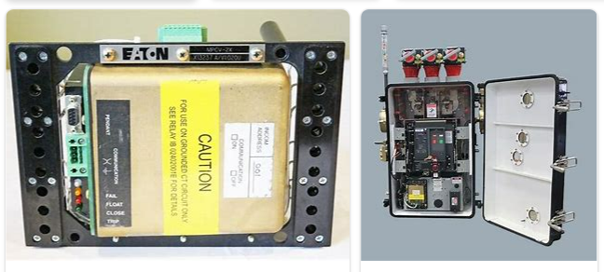
REMOVE | N

PROBLEM_DESC | CAUSE_DESC | REMEDY_DESC
ALARM/SENSOR
BROKEN/DAMAGED
LIGHTING
NOISE
OTHER PROBLEM
OVERHEATING
POWER-ELEC
STOPPED/SLOWED/POOR OPS
TEMP-CTRL
VIBRATION
Grand Total

